Estimated Location
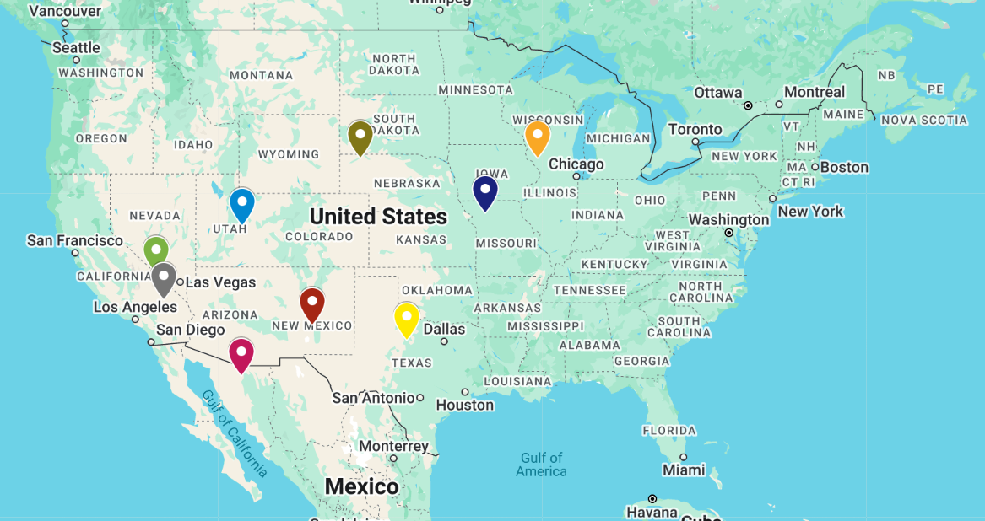
Store_name | Lat | Long | Last_year_demand | Expected_yoy_change
Candyfloss Countryside | 39.32 | -110.96 | 1271.17 | 0.11
Dulce de Leche Dunes | 33.71 | -106.12 | 1700.93 | 0.07
Marshmallow Meadows | 42.82 | -90.46 | 2161.54 | -0.09
Meringue Mountains | 32.87 | -99.51 | 1108.04 | 0.12
Pixie Stix Plateau | 40 | -94.02 | 1945.05 | -0.09
Pudding Peaks | 36.65 | -116.91 | 1486.96 | -0.08
Rainbow Ribbon Roads | 30.77 | -110.97 | 1506.6 | 0.06
Vanilla Valley | 42.79 | -102.72 | 1623.85 | 0.09

Estimated DC Location | Lat | Long
New DC | 37.36625 | -103.95875

